Sheet1
LYDONFORD LTD T/A SKI & SPORT STANDARD PRICE LIST Produced on : 3/ 3/25
 | PROD GRP | GROUP DESC | STOCK CODE | STOCK DESC | STOCK DESC 2 | FREE STOCK | RRP | EAN | COMMODITY CODE | COUNTRY OF ORIGIN
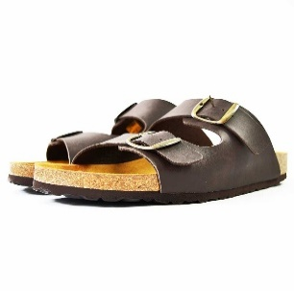 | LAM | Lambretta | AVALON BRN-KING-13 | Twin Buckle Sandal | 13 | 9 | £35.00 | 5056173215944 | 64059090 | ES
 | LAM | Lambretta | AVALON BRN-KING-14 | Twin Buckle Sandal | 14 | 6 | £35.00 | 5056173215951 | 64059090 | ES

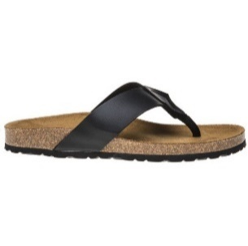 | LAM | Lambretta | CASPIAN-BLACK-8 | Toe Post-Black | 8 | 1 | £40.00 | 5056173229392 | 64059090 | ES
 | LAM | Lambretta | CASPIAN-BLACK-9 | Toe Post-Black | 9 | 13 | £40.00 | 5056173229408 | 64059090 | ES

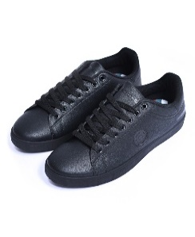 | LAM | Lambretta | LAM0025-BLK2-8 | Pinball 2 Trainer | Black 8 | 28 | £75.00 | 5059642043116 | 64021900 | CN
 | LAM | Lambretta | LAM0025-BLK3-9 | Pinball 2 Trainer | Black 9 | 38 | £75.00 | 5059642043123 | 64021900 | CN
 | LAM | Lambretta | LAM0025-BLK4-10 | Pinball 2 Trainer | Black 10 | 28 | £75.00 | 5059642043130 | 64021900 | CN
 | LAM | Lambretta | LAM0025-BLK5-11 | Pinball 2 Trainer | Black 11 | 14 | £75.00 | 5059642043147 | 64021900 | CN
 | LAM | Lambretta | LAM0025-BLK6-12 | Pinball 2 Trainer | Black 12 | 5 | £75.00 | 5059642043154 | 64021900 | CN

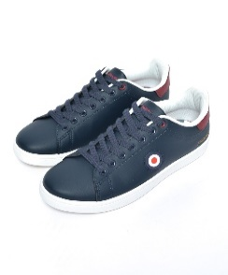 | LAM | Lambretta | LAM0025-NVY1-7 | Pinball 2 Trainer | Navy 7 | 10 | £75.00 | 5059642026447 | 64021900 | CN
 | LAM | Lambretta | LAM0025-NVY2-8 | Pinball 2 Trainer | Navy 8 | 23 | £75.00 | 5059642026454 | 64021900 | CN
 | LAM | Lambretta | LAM0025-NVY3-9 | Pinball 2 Trainer | Navy 9 | 33 | £75.00 | 5059642026461 | 64021900 | CN
 | LAM | Lambretta | LAM0025-NVY4-10 | Pinball 2 Trainer | Navy 10 | 28 | £75.00 | 5059642026478 | 64021900 | CN
 | LAM | Lambretta | LAM0025-NVY5-11 | Pinball 2 Trainer | Navy 11 | 14 | £75.00 | 5059642026485 | 64021900 | CN
 | LAM | Lambretta | LAM0025-NVY6-12 | Pinball 2 Trainer | Navy 12 | 5 | £75.00 | 5059642026492 | 64021900 | CN

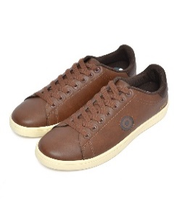 | LAM | Lambretta | LAM0025-TAN1-7 | Pinball 2 Trainer | Tan 7 | 9 | £75.00 | 5059642049590 | 64021900 | CN
 | LAM | Lambretta | LAM0025-TAN2-8 | Pinball 2 Trainer | Tan 8 | 23 | £75.00 | 5059642049606 | 64021900 | CN
 | LAM | Lambretta | LAM0025-TAN3-9 | Pinball 2 Trainer | Tan 9 | 33 | £75.00 | 5059642049613 | 64021900 | CN
 | LAM | Lambretta | LAM0025-TAN4-10 | Pinball 2 Trainer | Tan 10 | 28 | £75.00 | 5059642049620 | 64021900 | CN
 | LAM | Lambretta | LAM0025-TAN5-11 | Pinball 2 Trainer | Tan 11 | 14 | £75.00 | 5059642049637 | 64021900 | CN
 | LAM | Lambretta | LAM0025-TAN6-12 | Pinball 2 Trainer | Tan 12 | 5 | £75.00 | 5059642049644 | 64021900 | CN

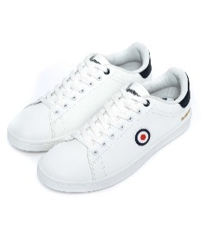 | LAM | Lambretta | LAM0025-WHT1-7 | Pinball 2 Trainer | White 7 | 10 | £75.00 | 5059642026379 | 64021900 | CN
 | LAM | Lambretta | LAM0025-WHT2-8 | Pinball 2 Trainer | White 8 | 23 | £75.00 | 5059642026386 | 64021900 | CN
 | LAM | Lambretta | LAM0025-WHT3-9 | Pinball 2 Trainer | White 9 | 33 | £75.00 | 5059642026393 | 64021900 | CN
 | LAM | Lambretta | LAM0025-WHT4-10 | Pinball 2 Trainer | White 10 | 28 | £75.00 | 5059642026409 | 64021900 | CN
 | LAM | Lambretta | LAM0025-WHT5-11 | Pinball 2 Trainer | White 11 | 14 | £75.00 | 5059642026416 | 64021900 | CN
 | LAM | Lambretta | LAM0025-WHT6-12 | Pinball 2 Trainer | White 12 | 5 | £75.00 | 5059642026423 | 64021900 | CN

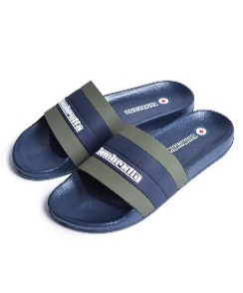 | LAM | Lambretta | LAM0031-KHKI1-7 | Prince Slides | Khaki 7 | 5 | £35.00 | 5056663147625 | 64021900 | CN
 | LAM | Lambretta | LAM0031-KHKI2-8 | Prince Slides | Khaki 8 | 10 | £35.00 | 5056663137251 | 64021900 | CN
 | LAM | Lambretta | LAM0031-KHKI3-9 | Prince Slides | Khaki 9 | 16 | £35.00 | 5056663137268 | 64021900 | CN
 | LAM | Lambretta | LAM0031-KHKI4-10 | Prince Slides | Khaki 10 | 13 | £35.00 | 5056663137275 | 64021900 | CN
 | LAM | Lambretta | LAM0031-KHKI5-11 | Prince Slides | Khaki 11 | 7 | £35.00 | 5056663137282 | 64021900 | CN
 | LAM | Lambretta | LAM0031-KHKI6-12 | Prince Slides | Khaki 12 | 2 | £35.00 | 5056663147632 | 64021900 | CN

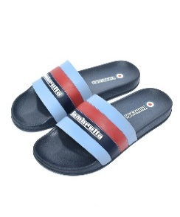 | LAM | Lambretta | LAM0031-NVY1-7 | Prince Slides | Navy 7 | 5 | £35.00 | 5059642036699 | 64021900 | CN
 | LAM | Lambretta | LAM0031-NVY2-8 | Prince Slides | Navy 8 | 10 | £35.00 | 5059642036712 | 64021900 | CN
 | LAM | Lambretta | LAM0031-NVY3-9 | Prince Slides | Navy 9 | 16 | £35.00 | 5059642036736 | 64021900 | CN
 | LAM | Lambretta | LAM0031-NVY4-10 | Prince Slides | Navy 10 | 13 | £35.00 | 5059642036613 | 64021900 | CN
 | LAM | Lambretta | LAM0031-NVY5-11 | Prince Slides | Navy 11 | 7 | £35.00 | 5059642036637 | 64021900 | CN
 | LAM | Lambretta | LAM0031-NVY6-12 | Prince Slides | Navy 12 | 2 | £35.00 | 5059642036651 | 64021900 | CN

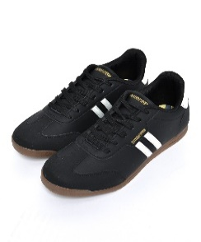 | LAM | Lambretta | LAM0034-BLK/WHT1-7 | Tackle Trainer | Black/White 7 | 10 | £75.00 | 5056663138104 | 64021900 | CN
 | LAM | Lambretta | LAM0034-BLK/WHT2-8 | Tackle Trainer | Black/White 8 | 23 | £75.00 | 5056663138111 | 64021900 | CN
 | LAM | Lambretta | LAM0034-BLK/WHT3-9 | Tackle Trainer | Black/White 9 | 33 | £75.00 | 5056663138128 | 64021900 | CN
 | LAM | Lambretta | LAM0034-BLK/WHT4-10 | Tackle Trainer | Black/White 10 | 28 | £75.00 | 5056663138135 | 64021900 | CN
 | LAM | Lambretta | LAM0034-BLK/WHT5-11 | Tackle Trainer | Black/White 11 | 14 | £75.00 | 5056663138142 | 64021900 | CN
 | LAM | Lambretta | LAM0034-BLK/WHT6-12 | Tackle Trainer | Black/White 12 | 5 | £75.00 | 5056663138159 | 64021900 | CN

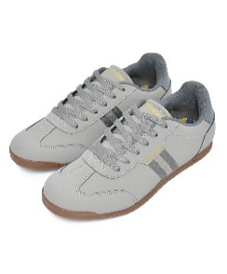 | LAM | Lambretta | LAM0034-CHA/GRY1-7 | Tackle Trainer | Charcoal/Grey 7 | 10 | £75.00 | 5056663142569 | 64021900 | CN
 | LAM | Lambretta | LAM0034-CHA/GRY2-8 | Tackle Trainer | Charcoal/Grey 8 | 23 | £75.00 | 5056663142576 | 64021900 | CN
 | LAM | Lambretta | LAM0034-CHA/GRY3-9 | Tackle Trainer | Charcoal/Grey 9 | 33 | £75.00 | 5056663142583 | 64021900 | CN
 | LAM | Lambretta | LAM0034-CHA/GRY4-10 | Tackle Trainer | Charcoal/Grey 10 | 28 | £75.00 | 5056663142590 | 64021900 | CN
 | LAM | Lambretta | LAM0034-CHA/GRY5-11 | Tackle Trainer | Charcoal/Grey 11 | 14 | £75.00 | 5056663142606 | 64021900 | CN
 | LAM | Lambretta | LAM0034-CHA/GRY6-12 | Tackle Trainer | Charcoal/Grey 12 | 5 | £75.00 | 5056663142613 | 64021900 | CN

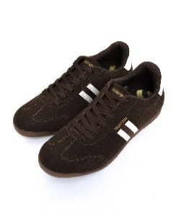 | LAM | Lambretta | LAM0034-CHOC/CRM2-8 | Tackle Trainer | Choc/Cream 8 | 28 | £75.00 | 5056663142507 | 64021900 | CN
 | LAM | Lambretta | LAM0034-CHOC/CRM3-9 | Tackle Trainer | Choc/Cream 9 | 38 | £75.00 | 5056663142514 | 64021900 | CN
 | LAM | Lambretta | LAM0034-CHOC/CRM4-10 | Tackle Trainer | Choc/Cream 10 | 28 | £75.00 | 5056663142521 | 64021900 | CN
 | LAM | Lambretta | LAM0034-CHOC/CRM5-11 | Tackle Trainer | Choc/Cream 11 | 14 | £75.00 | 5056663142538 | 64021900 | CN
 | LAM | Lambretta | LAM0034-CHOC/CRM6-12 | Tackle Trainer | Choc/Cream 12 | 5 | £75.00 | 5056663142545 | 64021900 | CN

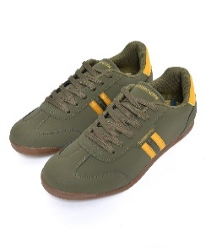 | LAM | Lambretta | LAM0034-KHKI/GLD1-7 | Tackle Trainer | Khaki/Gold 7 | 10 | £75.00 | 5056663142637 | 64021900 | CN
 | LAM | Lambretta | LAM0034-KHKI/GLD2-8 | Tackle Trainer | Khaki/Gold 8 | 23 | £75.00 | 5056663142644 | 64021900 | CN
 | LAM | Lambretta | LAM0034-KHKI/GLD3-9 | Tackle Trainer | Khaki/Gold 9 | 33 | £75.00 | 5056663142651 | 64021900 | CN
 | LAM | Lambretta | LAM0034-KHKI/GLD4-10 | Tackle Trainer | Khaki/Gold 10 | 28 | £75.00 | 5056663142668 | 64021900 | CN
 | LAM | Lambretta | LAM0034-KHKI/GLD5-11 | Tackle Trainer | Khaki/Gold 11 | 14 | £75.00 | 5056663142675 | 64021900 | CN
 | LAM | Lambretta | LAM0034-KHKI/GLD6-12 | Tackle Trainer | Khaki/Gold 12 | 5 | £75.00 | 5056663142682 | 64021900 | CN

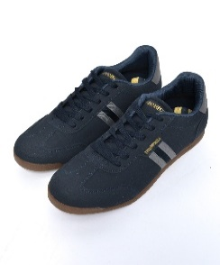 | LAM | Lambretta | LAM0034-NVY/CHA1-7 | Tackle Trainer | Navy/Charcoal 7 | 10 | £75.00 | 5056663145287 | 64021900 | CN
 | LAM | Lambretta | LAM0034-NVY/CHA2-8 | Tackle Trainer | Navy/Charcoal 8 | 23 | £75.00 | 5056663145294 | 64021900 | CN
 | LAM | Lambretta | LAM0034-NVY/CHA3-9 | Tackle Trainer | Navy/Charcoal 9 | 33 | £75.00 | 5056663145300 | 64021900 | CN
 | LAM | Lambretta | LAM0034-NVY/CHA4-10 | Tackle Trainer | Navy/Charcoal 10 | 28 | £75.00 | 5056663145317 | 64021900 | CN
 | LAM | Lambretta | LAM0034-NVY/CHA5-11 | Tackle Trainer | Navy/Charcoal 11 | 14 | £75.00 | 5056663145324 | 64021900 | CN
 | LAM | Lambretta | LAM0034-NVY/CHA6-12 | Tackle Trainer | Navy/Charcoal 12 | 5 | £75.00 | 5056663145331 | 64021900 | CN

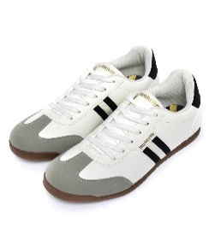 | LAM | Lambretta | LAM0034-WHT/BLK1-7 | Tackle Trainer | White/Black 7 | 10 | £75.00 | 5056663142422 | 64021900 | CN
 | LAM | Lambretta | LAM0034-WHT/BLK2-8 | Tackle Trainer | White/Black 8 | 23 | £75.00 | 5056663142439 | 64021900 | CN
 | LAM | Lambretta | LAM0034-WHT/BLK3-9 | Tackle Trainer | White/Black 9 | 33 | £75.00 | 5056663142446 | 64021900 | CN
 | LAM | Lambretta | LAM0034-WHT/BLK4-10 | Tackle Trainer | White/Black 10 | 28 | £75.00 | 5056663142453 | 64021900 | CN
 | LAM | Lambretta | LAM0034-WHT/BLK5-11 | Tackle Trainer | White/Black 11 | 14 | £75.00 | 5056663142460 | 64021900 | CN
 | LAM | Lambretta | LAM0034-WHT/BLK6-12 | Tackle Trainer | White/Black 12 | 5 | £75.00 | 5056663142477 | 64021900 | CN

 | LAM | Lambretta | LARGO BLK-12 | Crossover Sandal | 12 | 8 | £30.00 | 5056173216118 | 64059090 | ES
 |  |  |  |  |  | 1272

